Dashboard
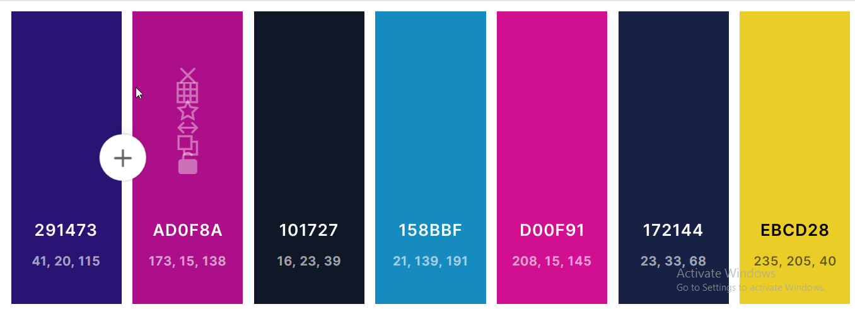
Key performance
 | Total
1-Jan | 23224
2-Jan | 27830
3-Jan | 30948
4-Jan | 29562
5-Jan | 31638
6-Jan | 21549
7-Jan | 33985
8-Jan | 19232
9-Jan | 35541
10-Jan | 23317
11-Jan | 35569
12-Jan | 37210
13-Jan | 34687
14-Jan | 41053
15-Jan | 34775
16-Jan | 45337
17-Jan | 22889
18-Jan | 31092
19-Jan | 29847
20-Jan | 26198
21-Jan | 24261
22-Jan | 25623
23-Jan | 25141
24-Jan | 19996
25-Jan | 26743
26-Jan | 34783
27-Jan | 31001
28-Jan | 24682
29-Jan | 30230
30-Jan | 23277
31-Jan | 35058
1-Feb | 33374
2-Feb | 34512
3-Feb | 34328
4-Feb | 31980
5-Feb | 37874
6-Feb | 28954
7-Feb | 40472
8-Feb | 35601
9-Feb | 30682
10-Feb | 23085
11-Feb | 35186
12-Feb | 24731
13-Feb | 35111
14-Feb | 22353
15-Feb | 48143
16-Feb | 21494
17-Feb | 30549
18-Feb | 37273
19-Feb | 40494
...
Daily profit trends
Top day
24-Feb
Profit $48,945

Indicator

10,889
74

Transaction
Total cities
Sales Dashboard

Showing total Revenue
21,078
Clear
Sellect month
 | Revenue
2019 | $11,690,763
2020 | $11,565,545
2021 | $2,404,901
 | Revenue | Revenue
1900-01-01 | $3,607,375 | $3,607,375
1900-01-02 | $3,675,847 | $3,675,847
1900-01-03 | $3,622,508 | $3,622,508
1900-01-04 | $3,852,609 | $3,852,609
1900-01-05 | $3,356,085 | $3,356,085
1900-01-06 | $3,823,608 | $3,823,608
1900-01-07 | $3,723,177 | $3,723,177

Quantity

Showing yearly profit trends
Showing weekly profit trends
$17,317,316

0.0%
COGS
Q-1
Q-2
Q-3
Q-4
Comparing January to January
JENUARY revenue is 100%, select next MONTH to compare
$25,661,209
Quarterly Revenue
Quarterly Revenue
$2,869,155
$0
$0
Quarterly Revenue
Quarterly Revenue
8,177,736
5,883,307
5,595,264
6,004,902
Current month
Previous month
Variance
Revenue
31.9%
22.9%
21.8%
23.4%
Our profitable customers
 | Total
Martin Berry | 23446
Steven Owens | 23426
Nicholas Garcia | 23144
Brandon Diaz | 22797
Craig Wright | 22630
1.4%
Our profitable cities
5.3%
$8,343,893

CLICK
Profite
To learn more

